DISTRIB BVC
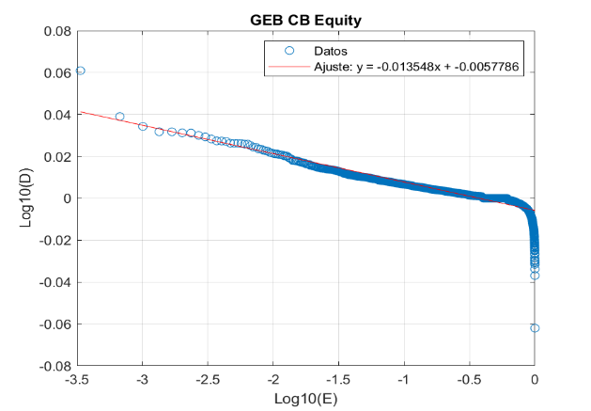
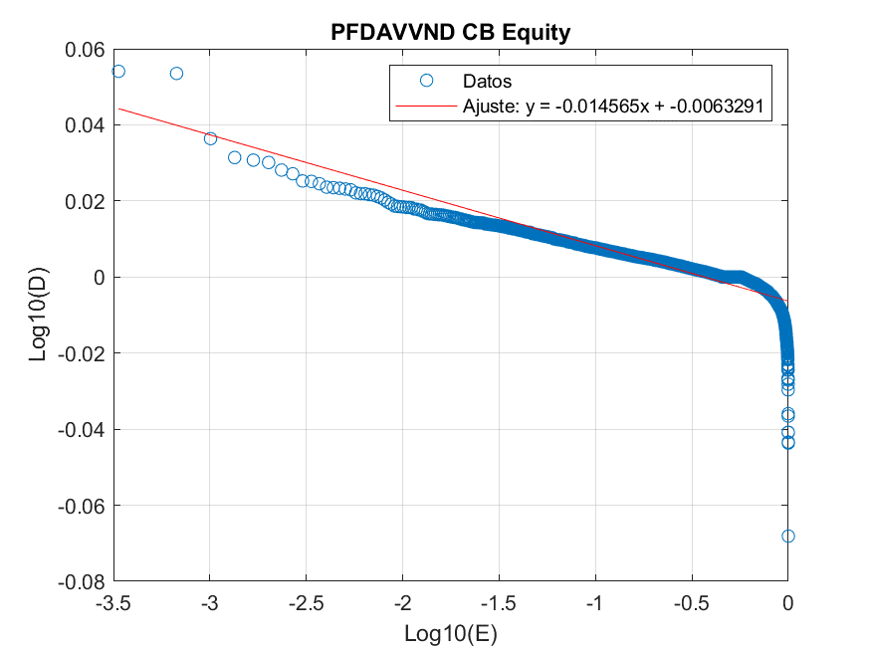
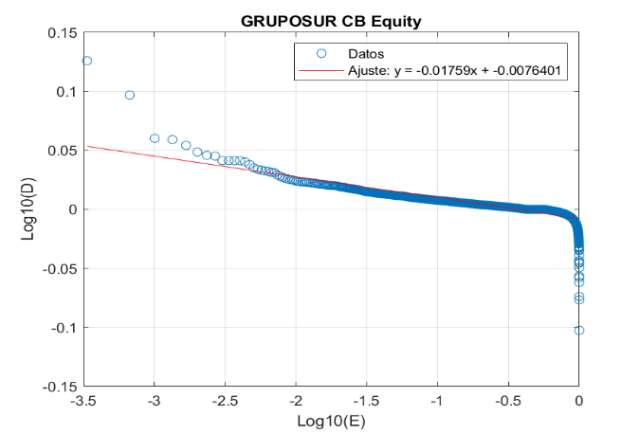
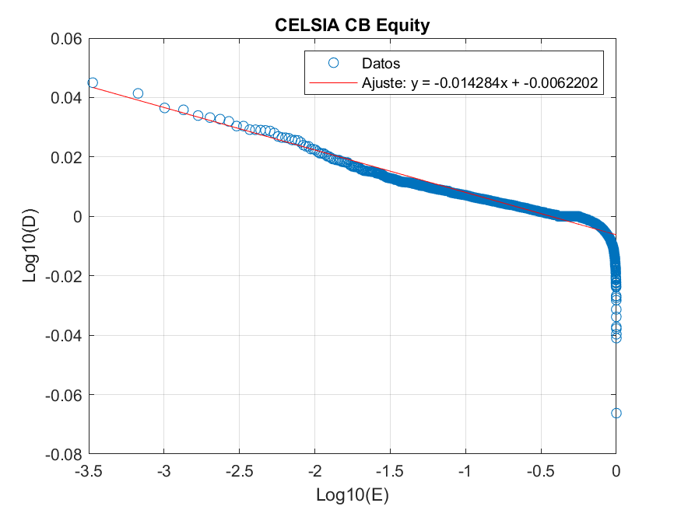
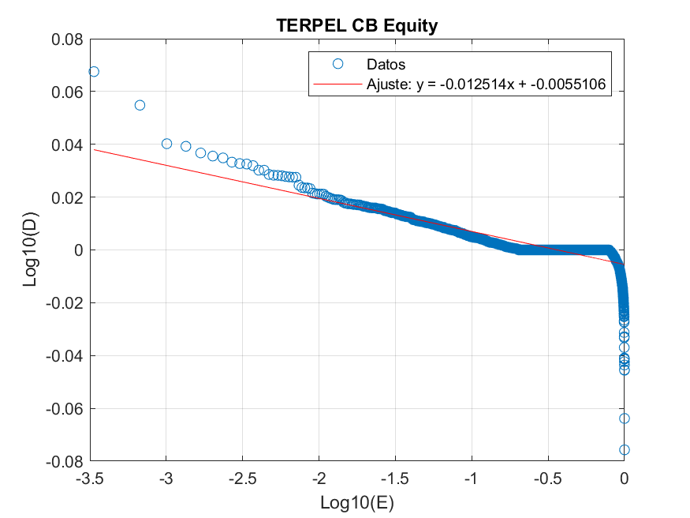
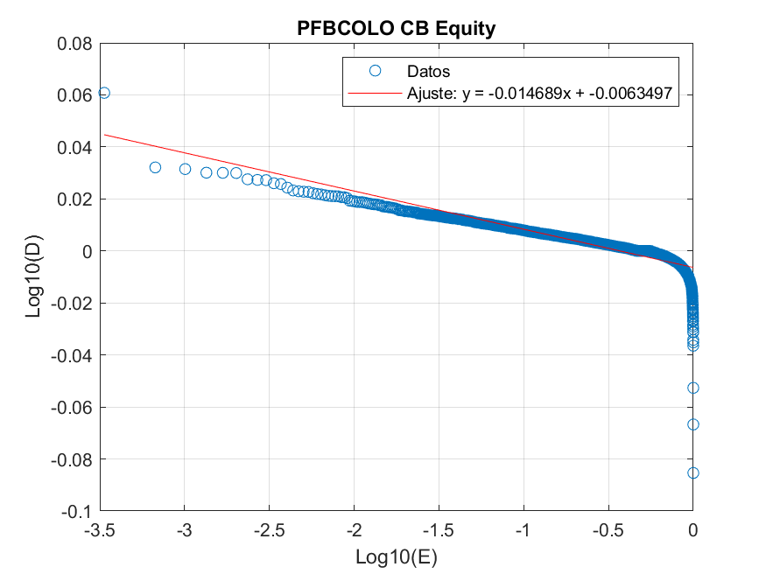
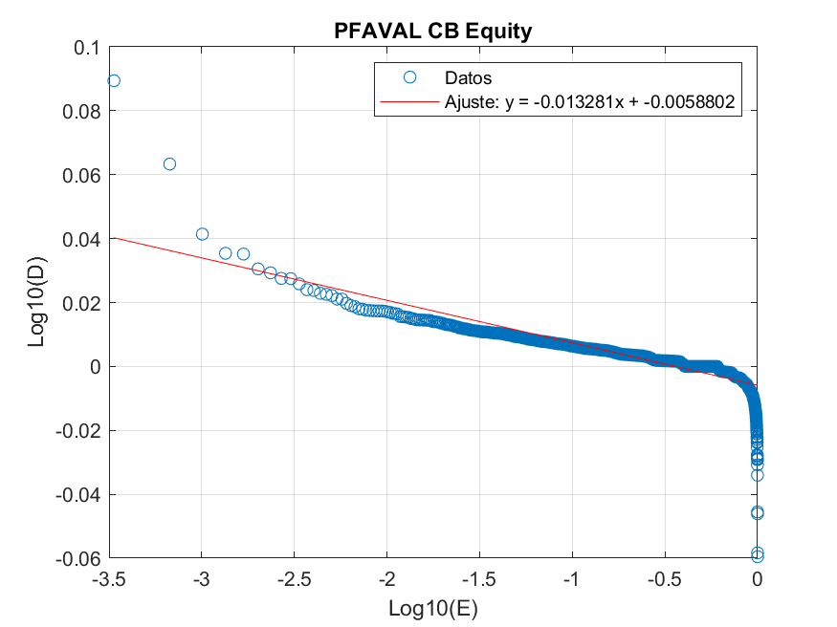
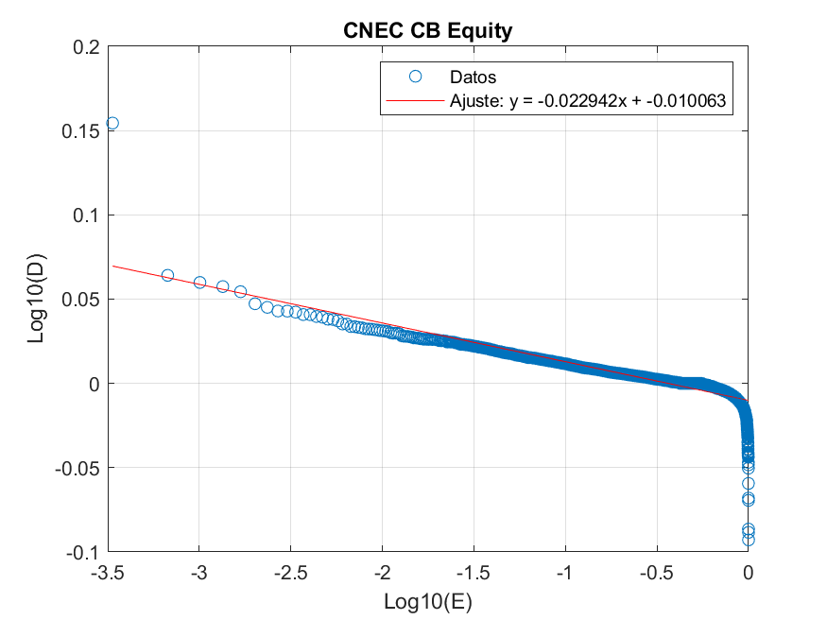
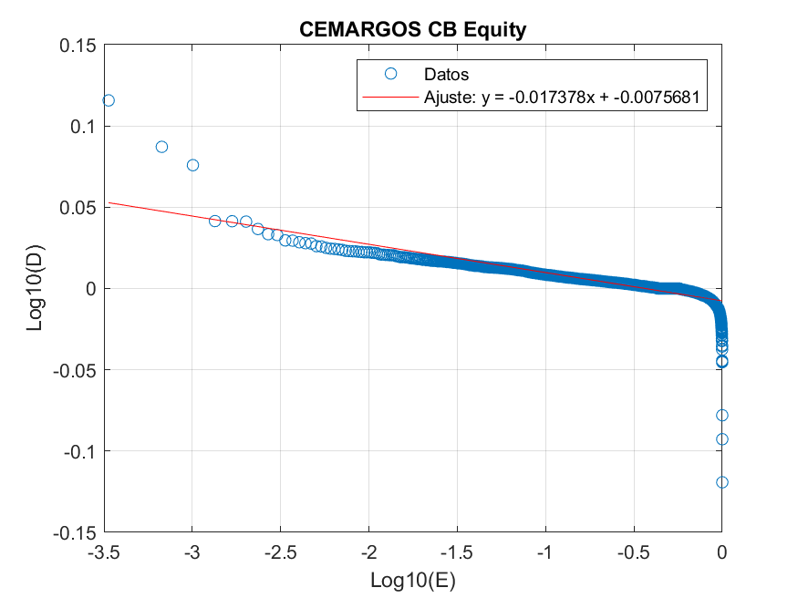
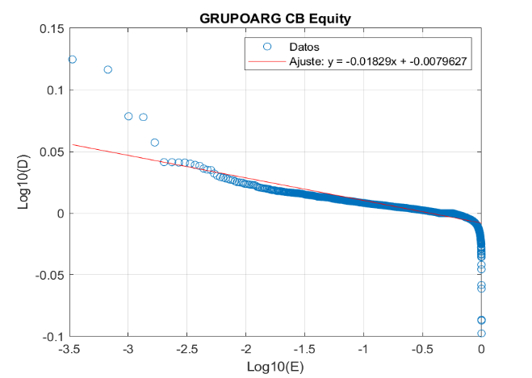
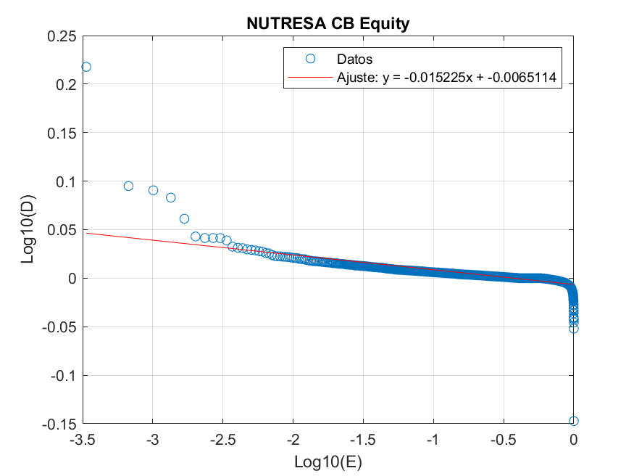
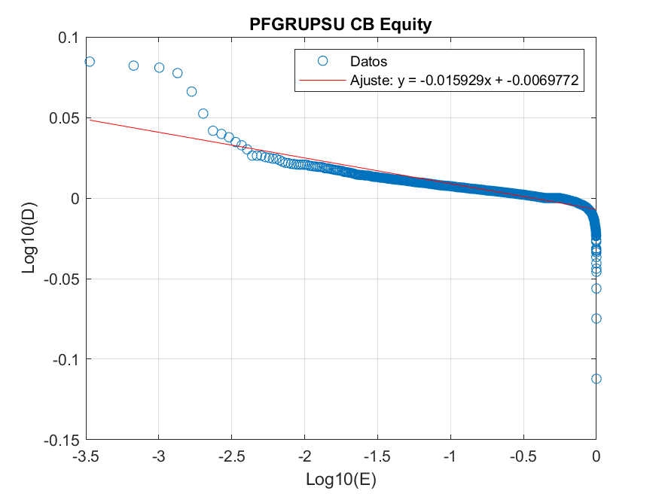
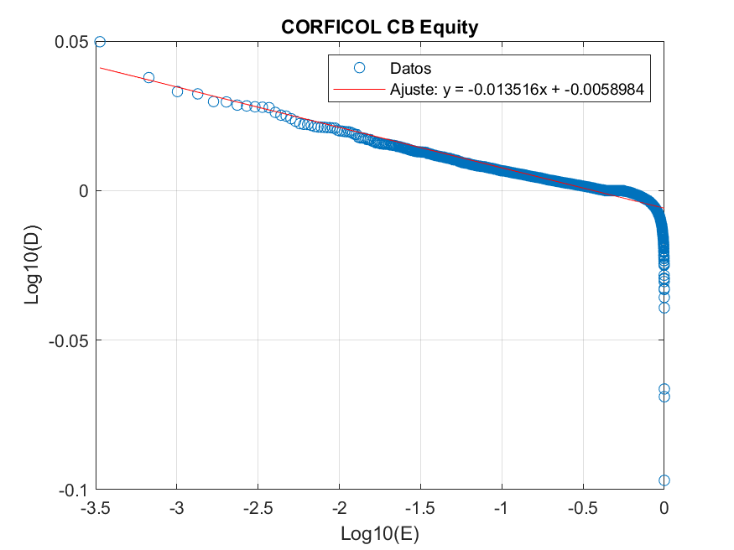
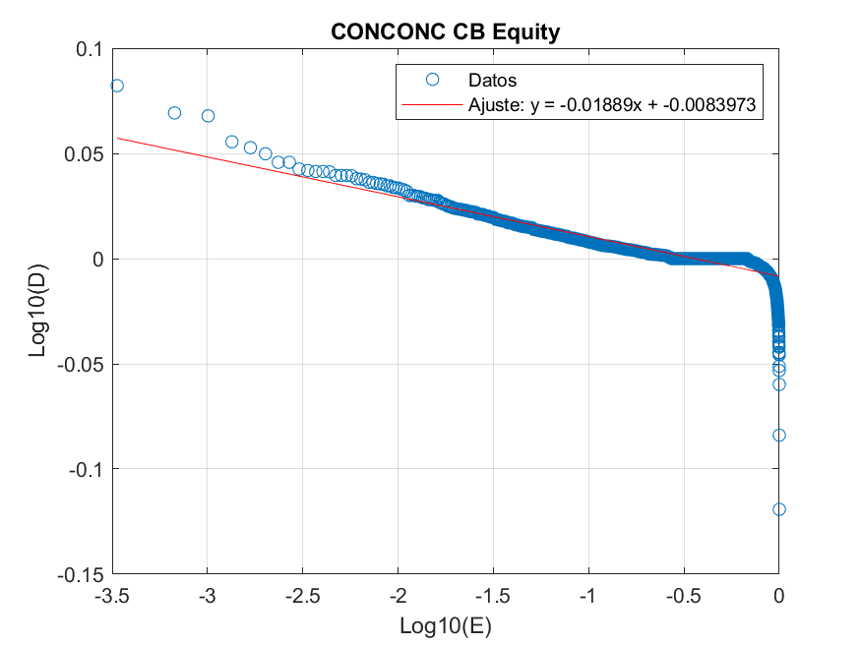
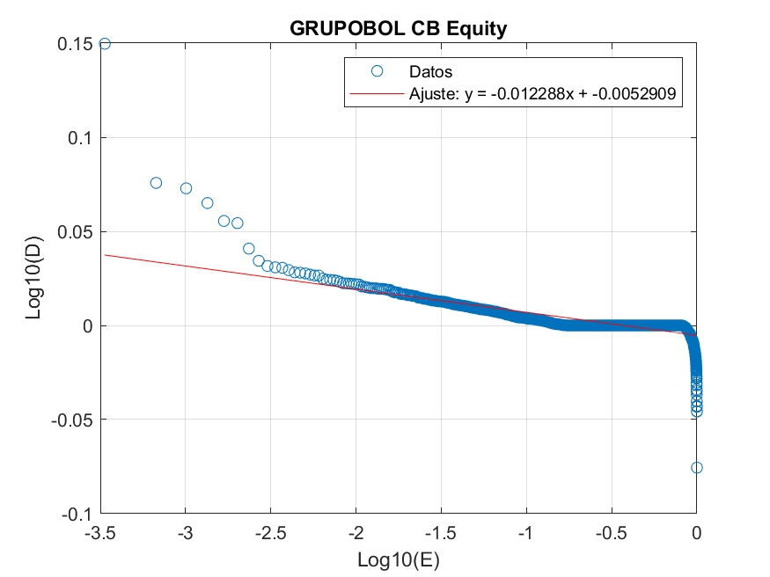
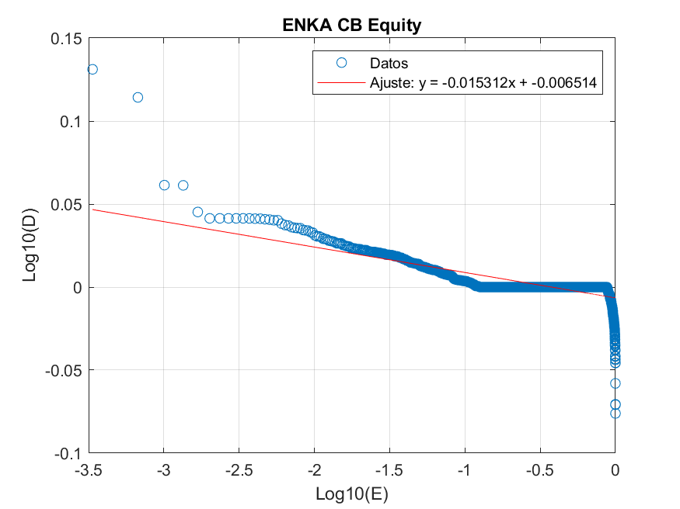
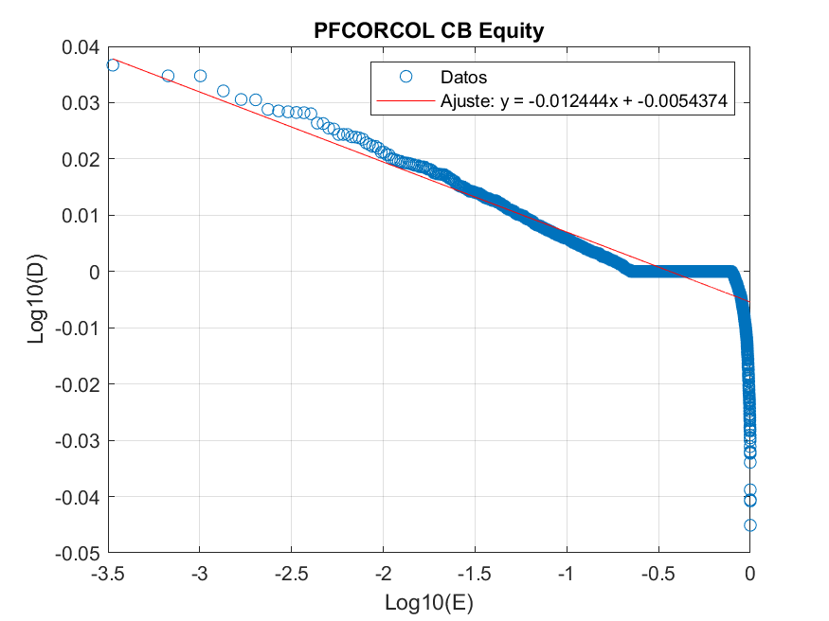
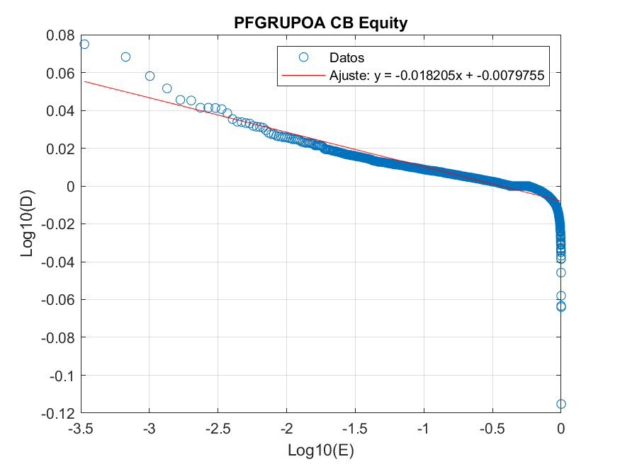
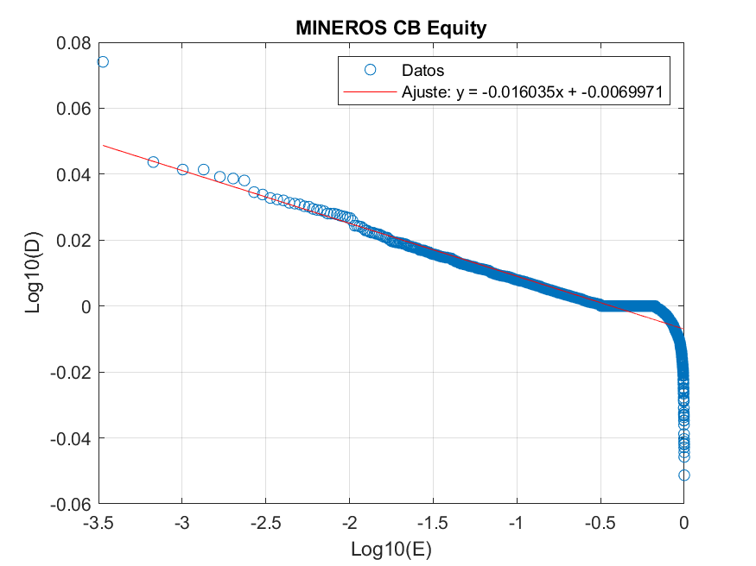
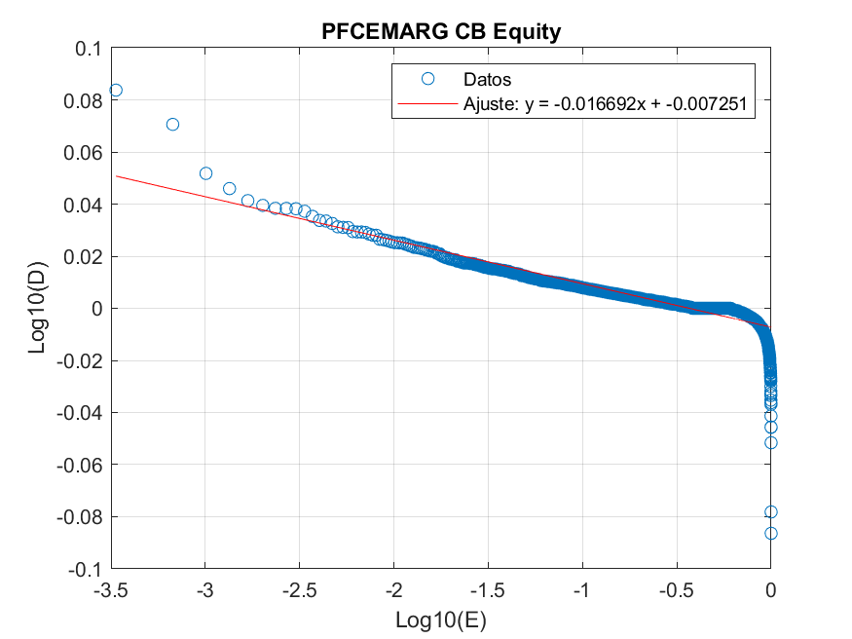
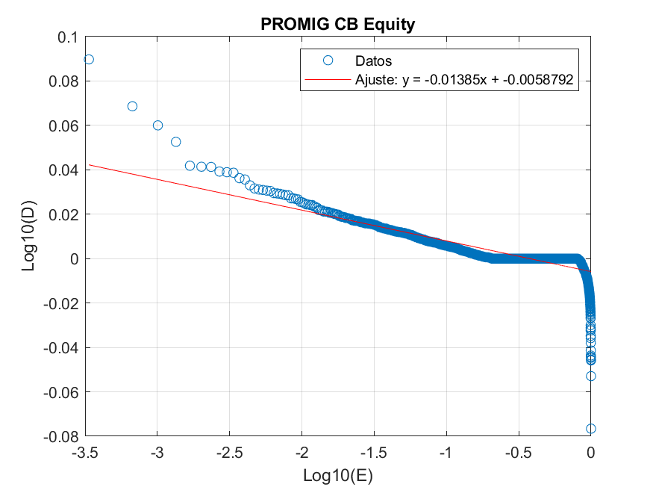
ÍNDICE DE PARETTO (α ) ACCIONES BVC
PFBCOLO CB Equity | 0.014689 | GRUPOBOL CB Equity | 0.012288
ECOPETL CB Equity | 0.019041 | PROMIG CB Equity | 0.01385
BCOLO CB Equity | 0.01736 | BOGOTA CB Equity | 0.014025
ISA CB Equity | 0.017104 | MINEROS CB Equity | 0.016035
GEB CB Equity | 0.013548 | TERPEL CB Equity | 0.012514
CEMARGOS CB Equity | 0.017378 | CNEC CB Equity | 0.022942
GRUPOARG CB Equity | 0.01829 | PFCORCOL CB Equity | 0.01244
PFGRUPSU CB Equity | 0.015929 | ETB CB Equity | 0.015588
PFGRUPOA CB Equity | 0.018205 | ENKA CB Equity | 0.015312
CELSIA CB Equity | 0.014284 | NUTRESA CB Equity | 0.015225
PFDAVVND CB Equity | 0.014565 | EXITO CB Equity | 0.016474
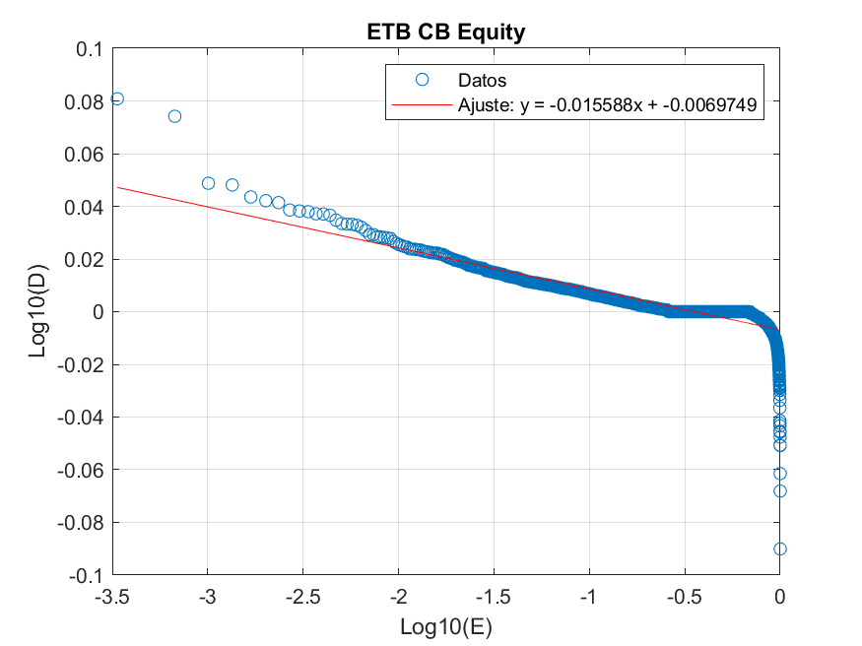
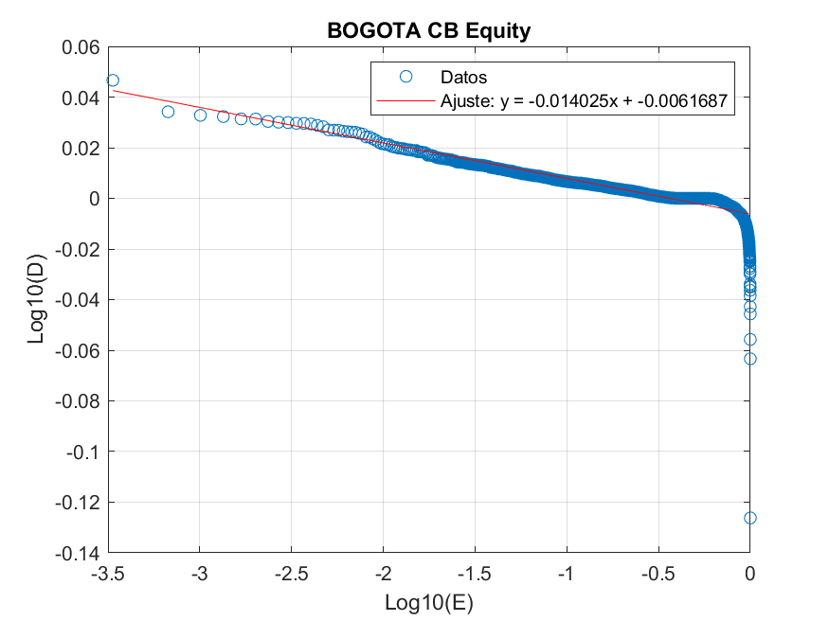
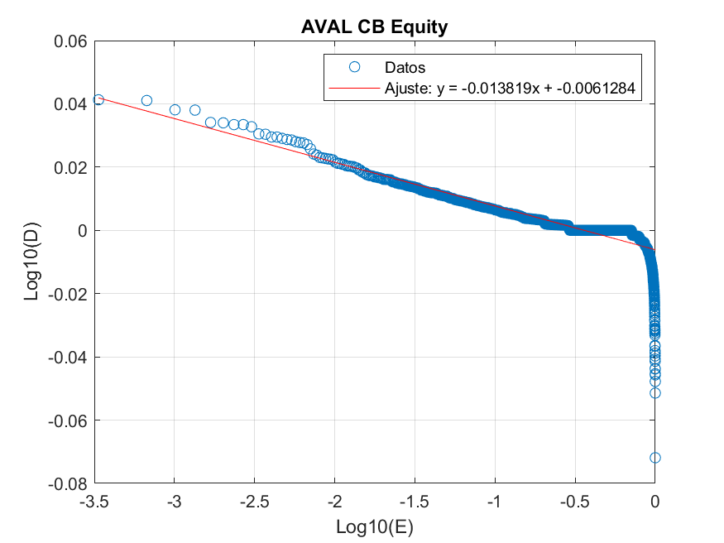
PFAVAL CB Equity | 0.013281 | AVAL CB Equity | 0.013819
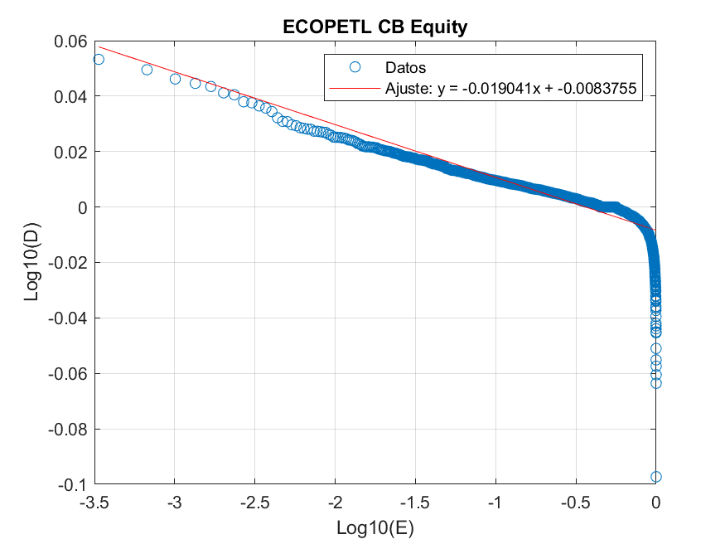
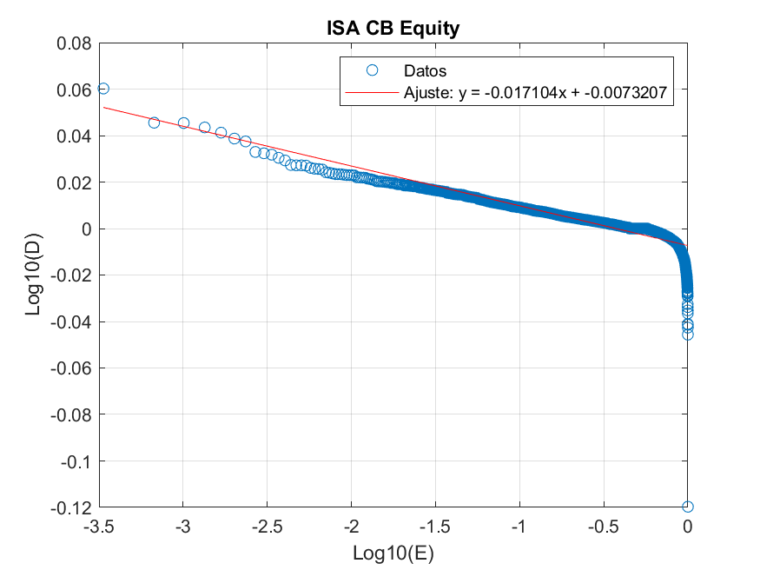

CORFICOL CB Equity | 0.013516 | CONCONC CB Equity | 0.01889
GRUPOSUR CB Equity | 0.01759 | PFCEMARG CB Equity | 0.016692

DISTRIB MGC
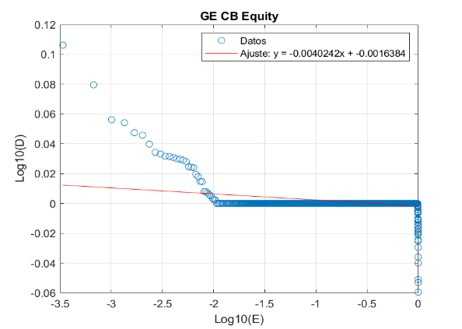
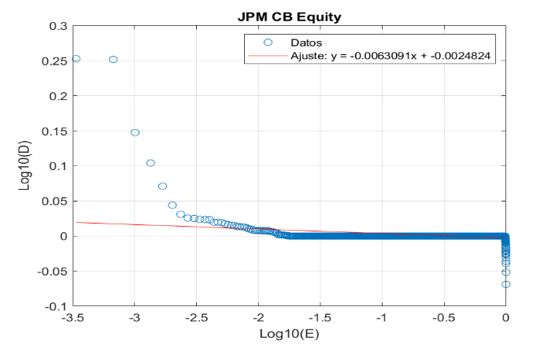
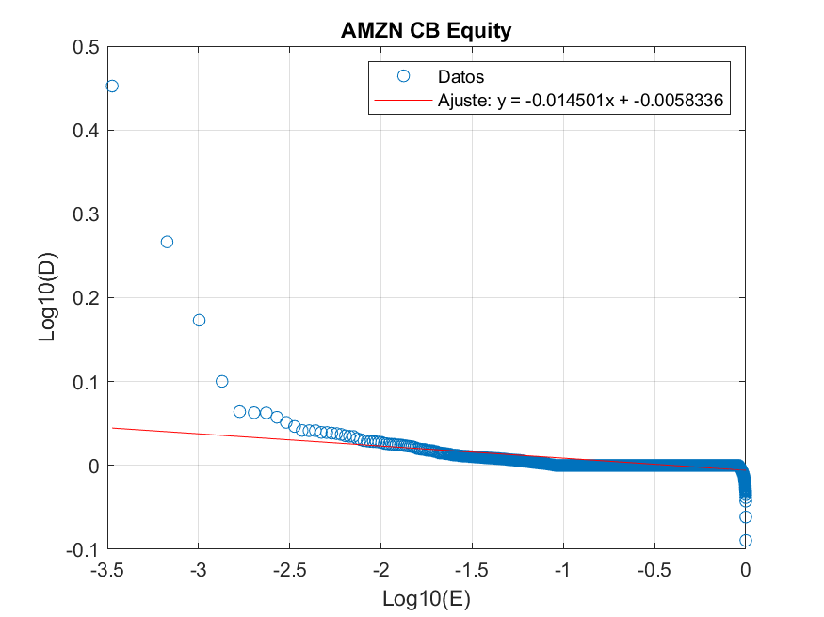
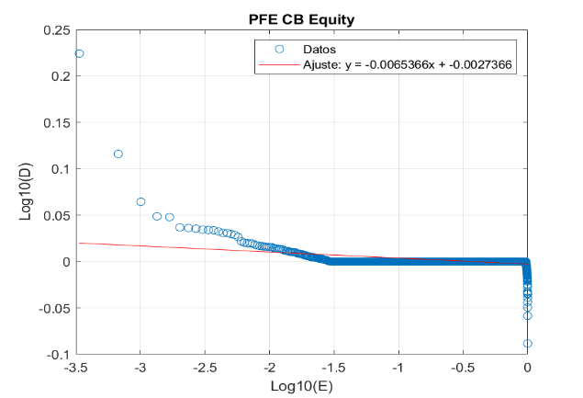
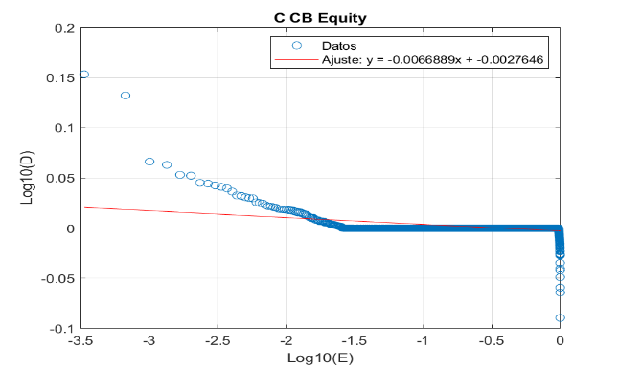

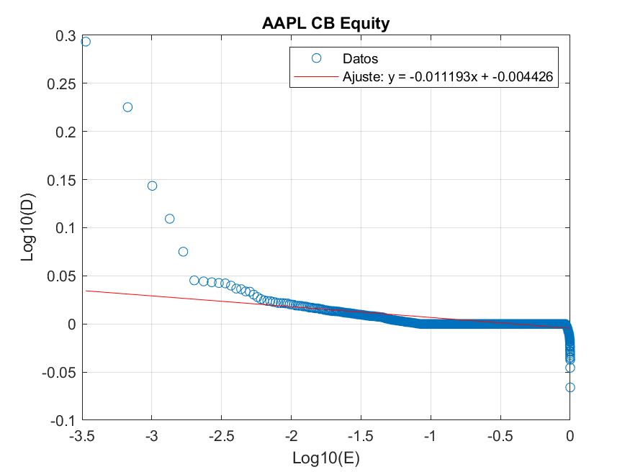
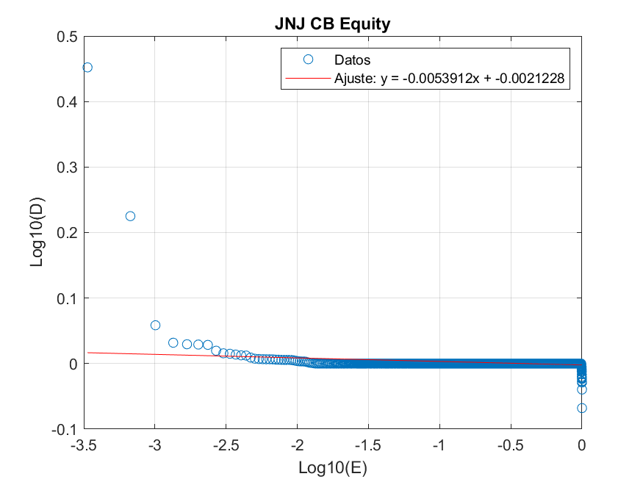
ÍNDICE DE PARETTO (α ) ACCIONES MGC
BAC CB Equity | 0.0081661 | JPM CB Equity | 0.0063091
AAPL CB Equity | 0.011193 | AMZN CB Equity | 0.014501
JNJ CB Equity | 0.0053912 | GE CB Equity | 0.0040262
PFE CB Equity | 0.0065366 | C CB Equity | 0.0066889

